Auth & Account
Feature | Authentication & Account Access
Test requirement | Validates user sign-in/session establishment and basic account profile maintenance through the implemented FE workflow.
Number of TCs | 2
Testing Round | Passed | Failed | Pending | N/A
Round 1 | 2 | 0 | 0 | 0
Round 2 | 2 | 0 | 0 | 0
Round 3 | 2 | 0 | 0 | 0

Test Case ID | Test Case Description | Test Case Procedure | Expected Results | Pre-conditions | Round 1 | Test date | Tester | Round 2 | Test date | Tester | Round 3 | Test date | Tester | Note
Authentication & Account Access
IT_AUTH_001 | Verify user can sign in with Google and reach the authenticated workspace | 1. Open the login page. 2. Click the Google sign-in action. 3. Complete Google authentication with <Student_Google_Active>. 4. Wait for the application to return to the authenticated workspace. | The authenticated workspace is displayed and the user is no longer on the login page. | 1. A valid active Google-backed student account exists. 2. Google authentication callback is available. | Passed | 2026-08-05 | AnhVH | Passed | 2026-08-05 | AnhVH | Passed | 2026-08-05 | AnhVH | 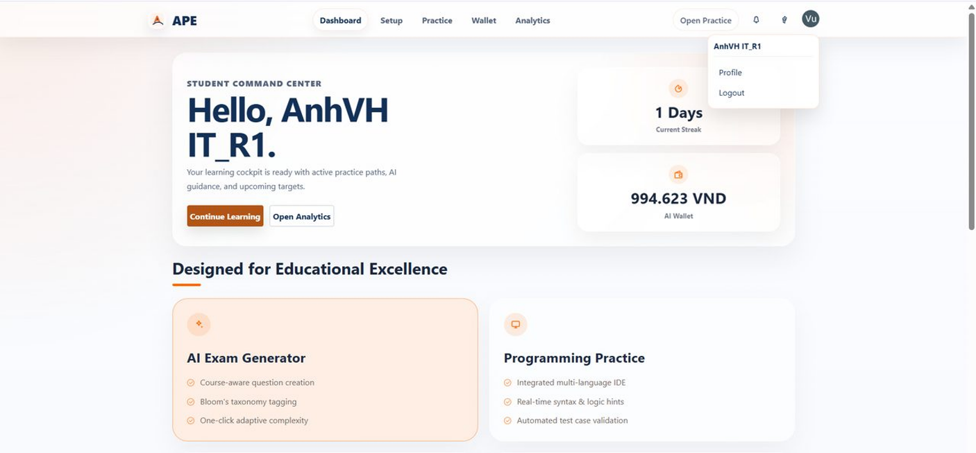
IT_AUTH_002 | Verify student can update the basic profile name | 1. Open Account Settings/Profile. 2. Replace the full name with <ProfileName_Unique>. 3. Click Save. 4. Wait for the success state to appear. | The profile screen shows the updated full name after save. | 1. Student is authenticated. 2. <ProfileName_Unique> is prepared as the new display name. | Passed | 2026-08-05 | AnhVH | Passed | 2026-08-05 | AnhVH | Passed | 2026-08-05 | AnhVH | 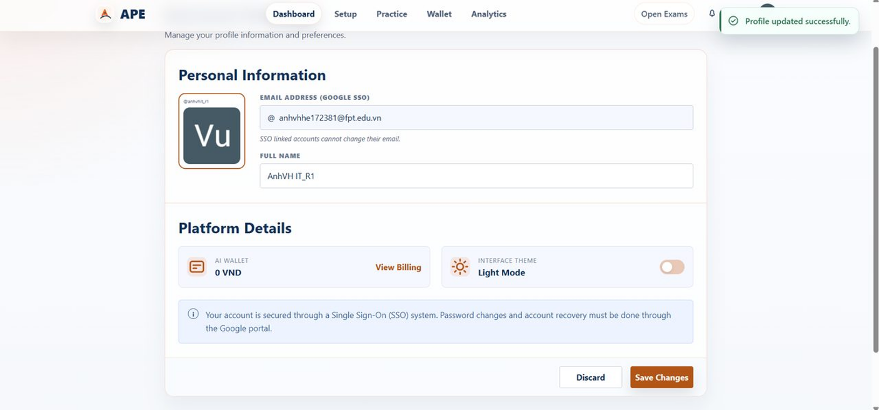

Student Practice Setup
Feature | Student Practice Setup
Test requirement | Validates deterministic FE and PE practice configuration flows from both System and My Documents sources that create a new private exam/session and open the correct practice workspace.
Number of TCs | 4
Testing Round | Passed | Failed | Pending | N/A
Round 1 | 4 | 0 | 0 | 0
Round 2 | 4 | 0 | 0 | 0
Round 3 | 4 | 0 | 0 | 0

Test Case ID | Test Case Description | Test Case Procedure | Expected Results | Pre-conditions | Round 1 | Test date | Tester | Round 2 | Test date | Tester | Round 3 | Test date | Tester | Note
Student Practice Setup
IT_PRACTICE_SETUP_001 | Verify student can configure and start an FE practice session | 1. Open Student Practice Configuration. 2. Select <Course_With_FE_Questions>. 3. Keep Source = System. 4. Select Type = FE. 5. Select Mode = Practice. 6. Set difficulty counts to Easy = 1, Medium = 0, Hard = 0. 7. Click Start Practice. | The FE Multiple Choice Exam workspace opens for the newly created FE session. | 1. Student is authenticated. 2. <Course_With_FE_Questions> exists, is visible, and has at least one Easy FE question. | Passed | 2026-08-05 | AnhVH | Passed | 2026-08-05 | AnhVH | Passed | 2026-08-05 | AnhVH | 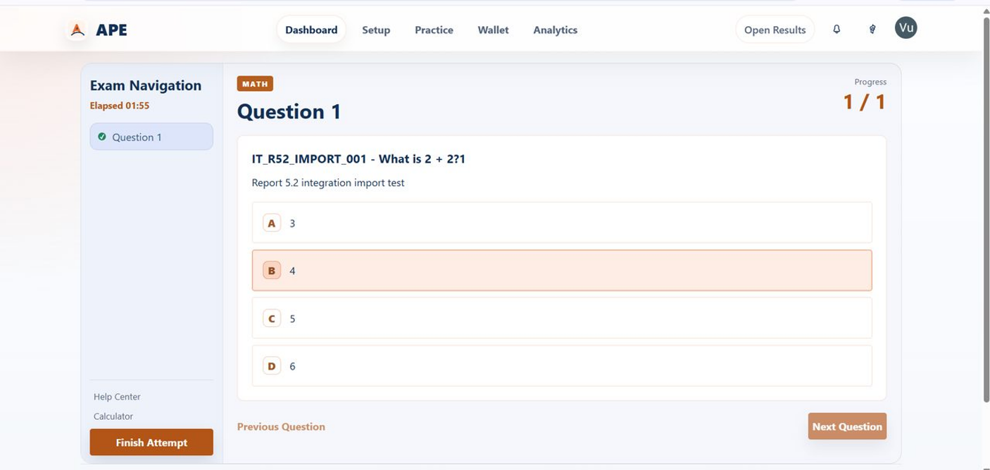
IT_PRACTICE_SETUP_002 | Verify student can configure and start a PE practice session | 1. Open Student Practice Configuration. 2. Select <Course_With_PE_Questions>. 3. Keep Source = System. 4. Select Type = PE. 5. Select Difficulty = Easy. 6. Select the first visible Easy PE question only. 7. Click Start Practice. | The coding workspace opens for the newly created PE session. | 1. Student is authenticated. 2. <Course_With_PE_Questions> exists, is visible, and has at least one Easy PE question. | Passed | 2026-08-05 | AnhVH | Passed | 2026-08-05 | AnhVH | Passed | 2026-08-05 | AnhVH | 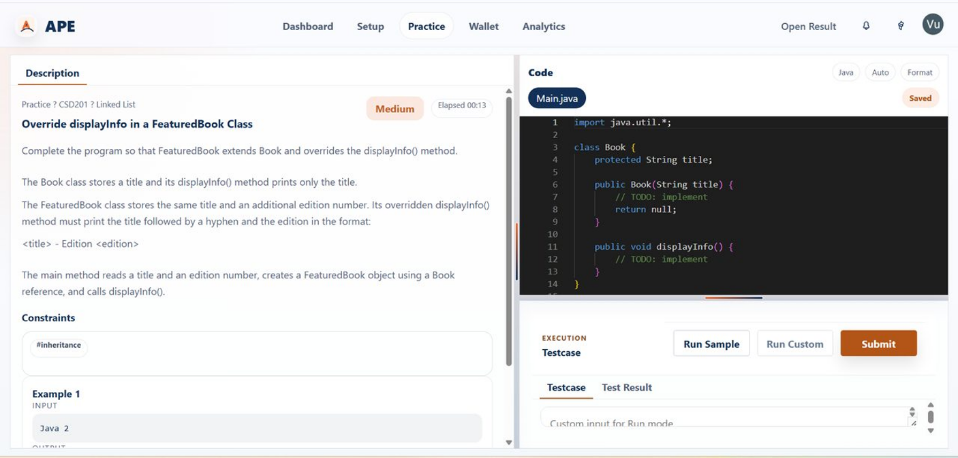
IT_PRACTICE_SETUP_003 | Verify student can start an FE flashcard session | 1. Open Student Practice Configuration or Practice Library. 2. Select FE content that supports Mode = Flashcard. 3. Start the flashcard session. 4. Flip the first card and move to the next card. | The Flashcard Viewer opens and the student can flip cards and move between them. | 1. Student is authenticated. 2. The selected FE scope has at least one flashcard-compatible FE session or preset. | Passed | 2026-08-21 | SangNV | Passed | 2026-08-21 | SangNV | Passed | 2026-08-21 | SangNV | 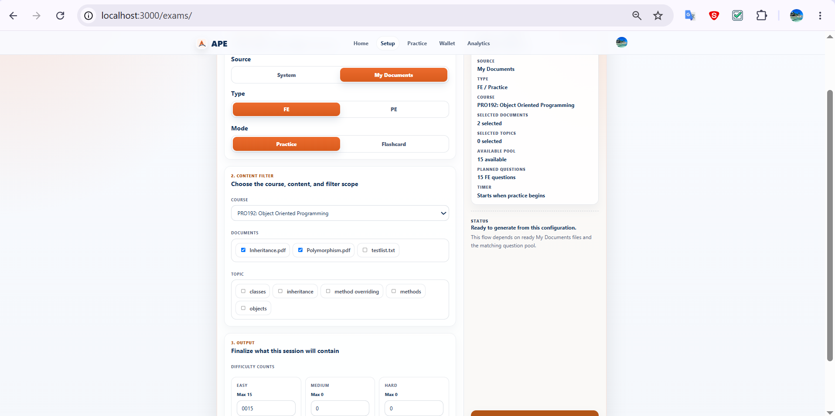
IT_PRACTICE_SETUP_004 | Verify student can configure and start a PE practice session from My Documents | 1. Open Student Practice Configuration. 2. Select Source = My Documents. 3. Select <Course_With_Ready_BYOS_PE_Content>. 4. Select Type = PE. 5. Keep Mode = Practice. 6. Select one ready owned document for the chosen course. 7. Select one or more available PE questions from the filtered PE pool. 8. Click Generate and Start. | The coding workspace opens for the newly created PE session built from the selected My Documents scope. | 1. Student is authenticated. 2. <Course_With_Ready_BYOS_PE_Content> exists and has at least one ready owned document plus available PE questions in the selected scope. | Passed | 2026-08-22 | SangNV | Passed | 2026-08-22 | SangNV | Passed | 2026-08-22 | SangNV

Student Document
Feature | Student My Documents Workspace
Test requirement | Validates the student-owned document lifecycle from My upload through generation-ready state and owned-document deletion.
Number of TCs | 2
Testing Round | Passed | Failed | Pending | N/A
Round 1 | 2 | 0 | 0 | 0
Round 2 | 2 | 0 | 0 | 0
Round 3 | 2 | 0 | 0 | 0

Test Case ID | Test Case Description | Test Case Procedure | Expected Results | Pre-conditions | Round 1 | Test date | Tester | Round 2 | Test date | Tester | Round 3 | Test date | Tester | Note
Student My Documents Workspace
IT_My_001 | Verify student can upload a My Documents and see the exact file become ready for generation | 1. Open My Upload. 2. Select <Course_Target>. 3. Choose and upload <My_File_Unique>. 4. Open the exact uploaded file's preview/runtime state. 5. Wait until the document is shown as ready for downstream generation. | The exact uploaded My file is visible and the FE indicates that it is ready for generation. | 1. Student is authenticated. 2. Student wallet state satisfies current upload requirements. 3. <Course_Target> exists and accepts the upload. 4. <My_Documents_File_Unique> is a valid supported document. | Passed | 2026-08-21 | SangNV | Passed | 2026-08-21 | SangNV | Passed | 2026-08-21 | SangNV | 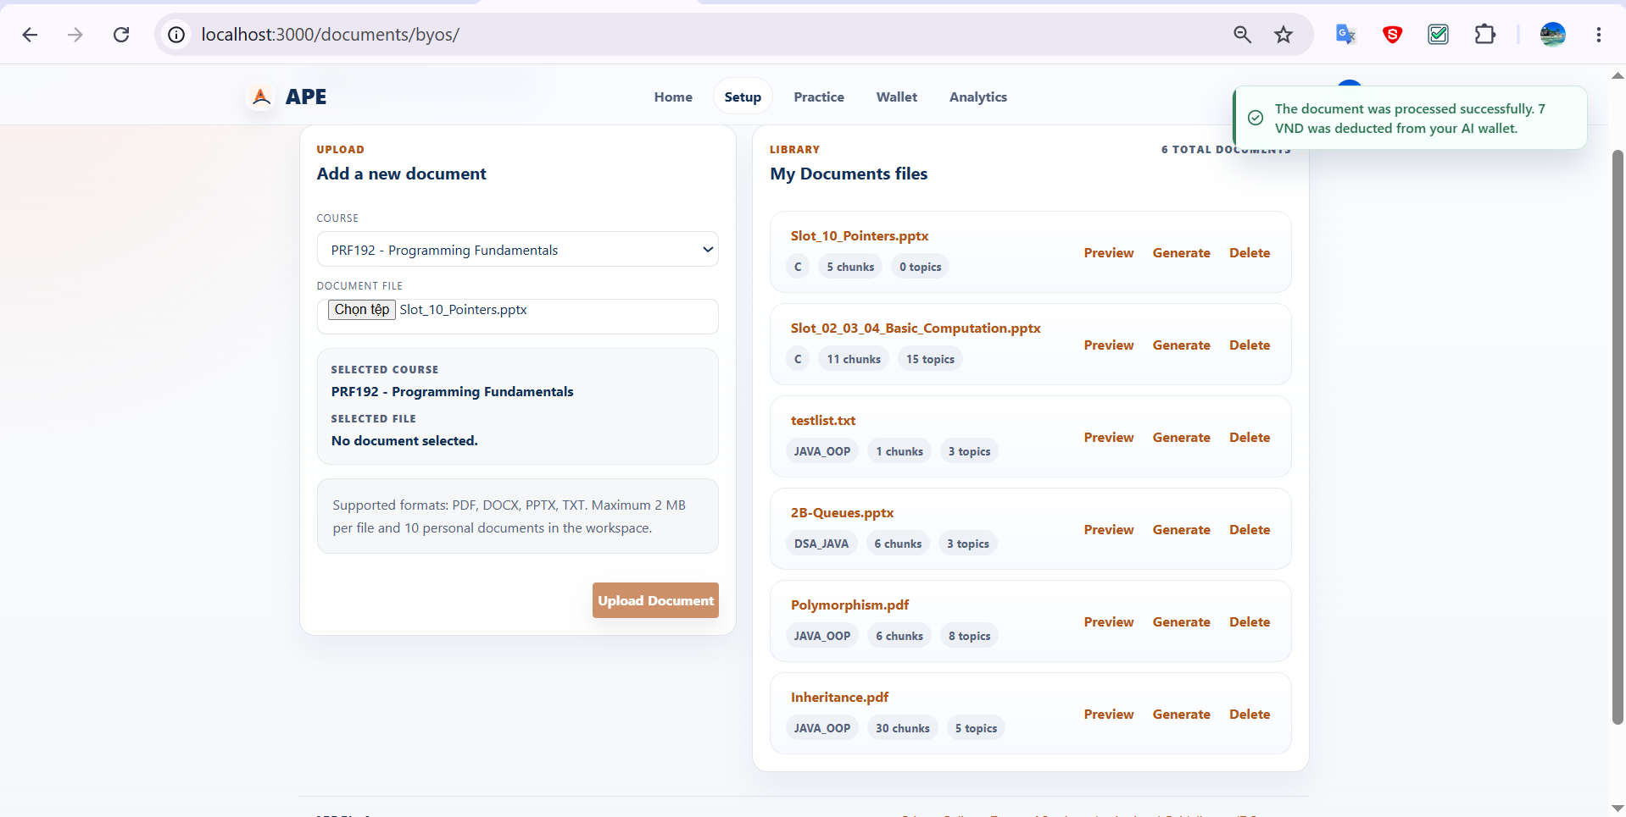
IT_My_002 | Verify student can delete an owned My Documents | 1. Open the My Documents workspace. 2. Locate <Ready_My_Document>. 3. Trigger Delete for that document. 4. Confirm the delete action when the confirmation dialog appears. 5. Wait for the list to refresh. | <Ready_My_Document> is no longer visible in the My workspace. | 1. Student is authenticated. 2. One owned visible document <Ready_My_Document> exists. | Passed | 2026-08-06 | AnhVH | Passed | 2026-08-06 | AnhVH | Passed | 2026-08-06 | AnhVH | 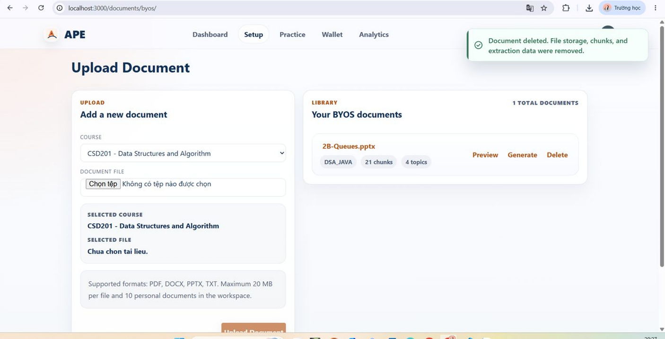

Student QGen
Feature | Student Question Generation Workspace
Test requirement | Validates student AI question generation from an owned BYOS document, including reviewed draft output and confirming the remaining generated drafts.
Number of TCs | 2
Testing Round | Passed | Failed | Pending | N/A
Round 1 | 2 | 0 | 0 | 0
Round 2 | 2 | 0 | 0 | 0
Round 3 | 2 | 0 | 0 | 0

Test Case ID | Test Case Description | Test Case Procedure | Expected Results | Pre-conditions | Round 1 | Test date | Tester | Round 2 | Test date | Tester | Round 3 | Test date | Tester | Note
Student Question Generation Workspace
IT_STU_QGEN_001 | Verify student can generate review drafts from a BYOS document | 1. Open Generate From BYOS. 2. Select <Ready_BYOS_Document_With_Topics>. 3. Select the first available chapter only. 4. Select the first available topic only. 5. Set Question Type = PE. 6. Set Difficulty Profile = Easy x1. 7. Click Generate/Review and wait for the review result panel. | The result panel displays reviewed/generated draft questions for the selected BYOS scope. | 1. Student is authenticated. 2. <Ready_BYOS_Document_With_Topics> is owned by the student, ready for generation, and has at least one chapter and topic. | Passed | 2026-08-06 | AnhVH | Passed | 2026-08-06 | AnhVH | Passed | 2026-08-06 | AnhVH | 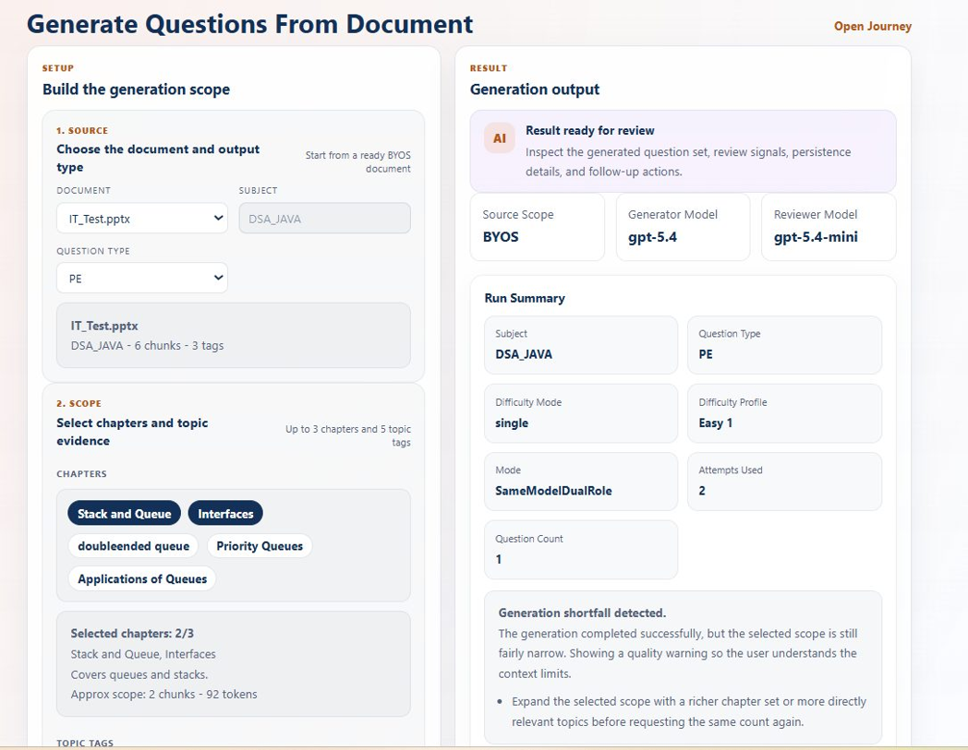
IT_STU_QGEN_002 | Verify student can confirm the remaining generated draft questions from a BYOS result | 1. Open Generate From BYOS. 2. Complete a generation flow that returns reviewed draft questions. 3. Click Confirm Remaining Questions. 4. Wait for the result panel to refresh. | The remaining generated draft questions are confirmed and the result panel shows the updated final state. | 1. Student is authenticated. 2. A BYOS generation result exists with at least one persisted draft question that is still confirmable. | Passed | 2026-08-21 | SangNV | Passed | 2026-08-21 | SangNV | Passed | 2026-08-21 | SangNV | 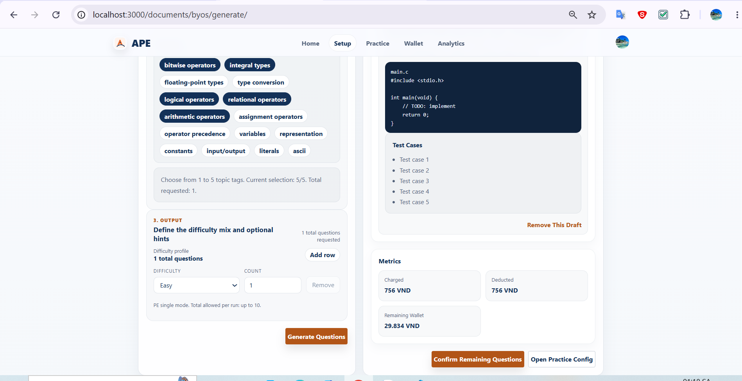

Student QBank
Feature | Student Question Bank
Test requirement | Validates the student-owned question-bank workspace for browsing/detail inspection and owned-question lifecycle mutations.
Number of TCs | 3
Testing Round | Passed | Failed | Pending | N/A
Round 1 | 3 | 0 | 0 | 0
Round 2 | 3 | 0 | 0 | 0
Round 3 | 3 | 0 | 0 | 0

Test Case ID | Test Case Description | Test Case Procedure | Expected Results | Pre-conditions | Round 1 | Test date | Tester | Round 2 | Test date | Tester | Round 3 | Test date | Tester | Note
Student Question Bank
IT_STU_QBANK_001 | Verify student can browse the owned question bank and inspect question details | 1. Open Student Question Bank. 2. Apply one meaningful filter such as course or status. 3. Select <Owned_Question> from the filtered list. 4. Inspect the detail panel. | The selected question detail panel displays the question content and metadata for the owned question. | 1. Student is authenticated. 2. At least one owned question <Owned_Question> exists. | Passed | 2026-08-05 | AnhVH | Passed | 2026-08-05 | AnhVH | Passed | 2026-08-05 | AnhVH | 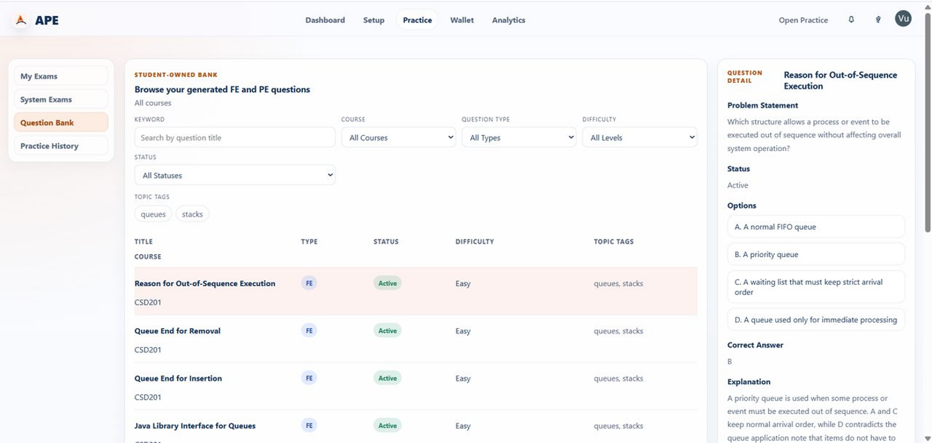
IT_STU_QBANK_002 | Verify student can publish an owned draft question | 1. Open Student Question Bank. 2. Select <Owned_Draft_Question>. 3. Click Publish/Activate. 4. Wait for the list and detail panel to refresh. | The selected student-owned draft question is shown with status Active. | 1. Student is authenticated. 2. <Owned_Draft_Question> exists, belongs to the student, has status Draft, and is publishable. | Passed | 2026-08-05 | AnhVH | Passed | 2026-08-05 | AnhVH | Passed | 2026-08-05 | AnhVH | 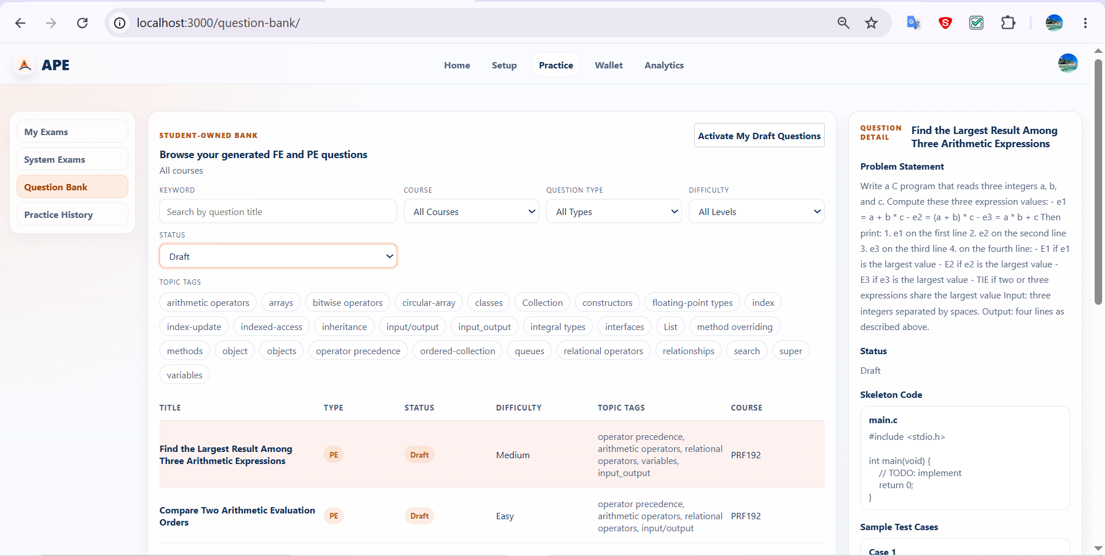
IT_STU_QBANK_003 | Verify student can delete an owned question from the bank | 1. Open Student Question Bank. 2. Select <Owned_Question_Delete_Target>. 3. Click Delete. 4. Confirm the deletion when prompted. 5. Wait for the list to refresh. | <Owned_Question_Delete_Target> is no longer visible in the student question bank. | 1. Student is authenticated. 2. <Owned_Question_Delete_Target> exists, belongs to the student, and is deletable. | Passed | 2026-08-22 | SangNV | Passed | 2026-08-22 | SangNV | Passed | 2026-08-22 | SangNV | 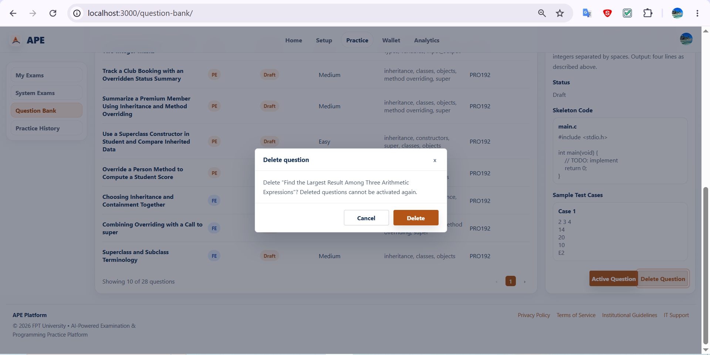

FE Practice
Feature | Student FE Practice Lifecycle
Test requirement | Validates the FE practice lifecycle from answer submission to scored completion, retry from completed practice history, and starting flashcard review from FE content.
Number of TCs | 3
Testing Round | Passed | Failed | Pending | N/A
Round 1 | 3 | 0 | 0 | 0
Round 2 | 3 | 0 | 0 | 0
Round 3 | 3 | 0 | 0 | 0

Test Case ID | Test Case Description | Test Case Procedure | Expected Results | Pre-conditions | Round 1 | Test date | Tester | Round 2 | Test date | Tester | Round 3 | Test date | Tester | Note
Student FE Practice Lifecycle
IT_FE_PRACTICE_001 | Verify student can complete an FE session and view the score summary | 1. Open <Active_FE_Session>. 2. Answer all displayed FE questions. 3. Click Finish Attempt. 4. Wait for the completion summary to render. | The FE session displays the completed summary with visible score/result information. | 1. Student is authenticated. 2. <Course_With_FE_Questions> exists, is visible, and has at least one Easy FE question. | Passed | 2026-08-06 | AnhVH | Passed | 2026-08-06 | AnhVH | Passed | 2026-08-06 | AnhVH | 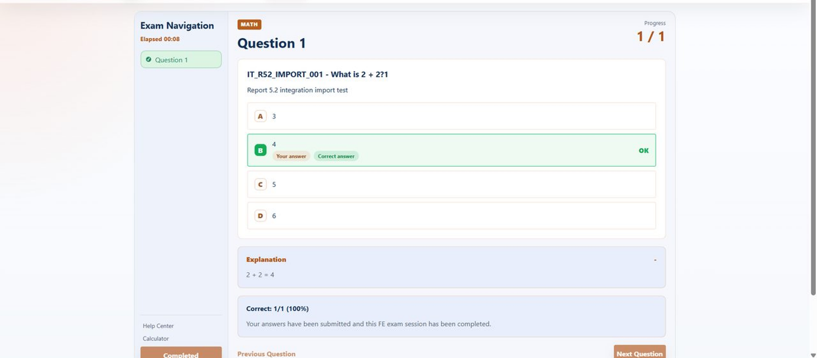
IT_FE_PRACTICE_002 | Verify student can retry a completed FE attempt from practice history | 1. Open Practice History. 2. Filter to the relevant course or FE type if necessary to locate the target item. 3. Locate <Completed_FE_History_Item>. 4. Click Retry. 5. Wait for the new FE session to open. | A new FE attempt opens in the FE workspace. | 1. Student is authenticated. 2. <Completed_FE_History_Item> exists. | Passed | 2026-08-06 | AnhVH | Passed | 2026-08-06 | AnhVH | Passed | 2026-08-06 | AnhVH | 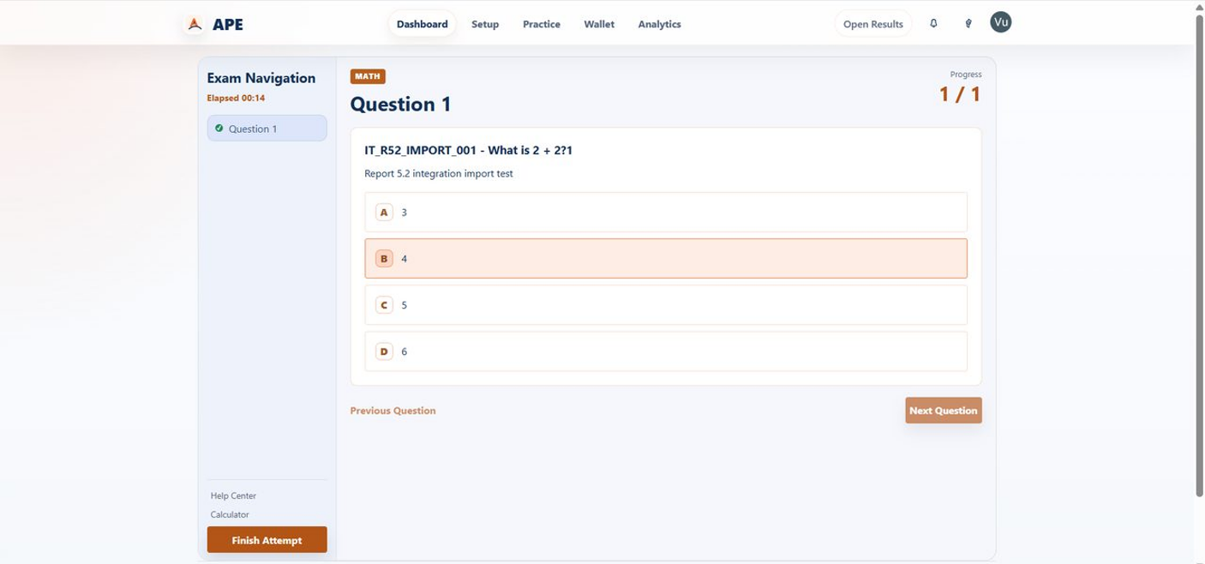
IT_FE_PRACTICE_003 | Verify student can start a flashcard session from FE content | 1. Open the student FE practice configuration or library view. 2. Select FE content with Mode = Flashcard. 3. Start the session. 4. Flip the first card and move to the next card. | The Flashcard Viewer opens for the selected FE content and the student can review cards. | 1. Student is authenticated. 2. The selected FE scope has at least one flashcard-compatible set. | Passed | 2026-08-21 | SangNV | Passed | 2026-08-21 | SangNV | Passed | 2026-08-21 | SangNV | 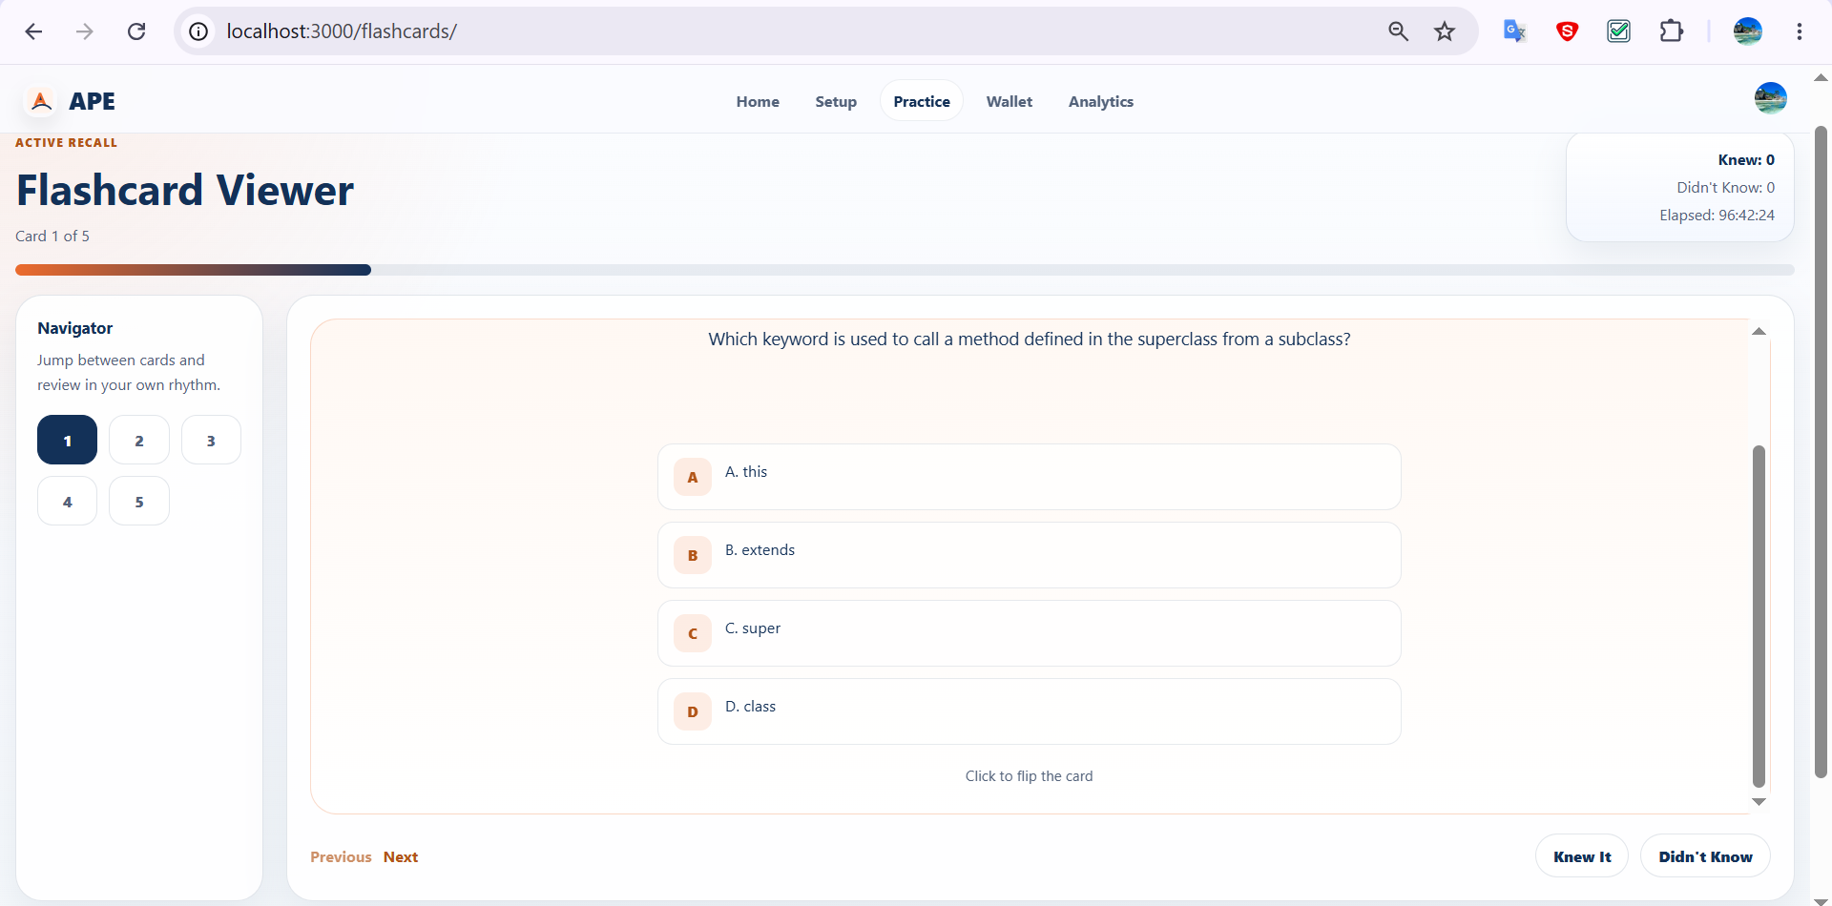

PE Practice
Feature | Student PE Practice Lifecycle
Test requirement | Validates iterative PE code execution, final asynchronous grading, AI mentor feedback, reopening stored mentor feedback, and creating a fresh coding attempt after a previous submission.
Number of TCs | 5
Testing Round | Passed | Failed | Pending | N/A
Round 1 | 5 | 0 | 0 | 0
Round 2 | 5 | 0 | 0 | 0
Round 3 | 5 | 0 | 0 | 0

Test Case ID | Test Case Description | Test Case Procedure | Expected Results | Pre-conditions | Round 1 | Test date | Tester | Round 2 | Test date | Tester | Round 3 | Test date | Tester | Note
Student PE Practice Lifecycle
IT_PE_PRACTICE_001 | Verify student can run code in an active PE session and receive runtime feedback | 1. Open <Active_PE_Session> in the coding workspace. 2. Enter <Runnable_Code_Snippet> for the selected question. 3. Click Run Code. 4. Wait for the runtime response. | Runtime feedback is displayed in the coding workspace for the current run | 1. Student is authenticated. 2. <Active_PE_Session> exists. 3. <Runnable_Code_Snippet> is prepared. | Passed | 2026-08-07 | AnhVH | Passed | 2026-08-07 | AnhVH | Passed | 2026-08-07 | AnhVH | 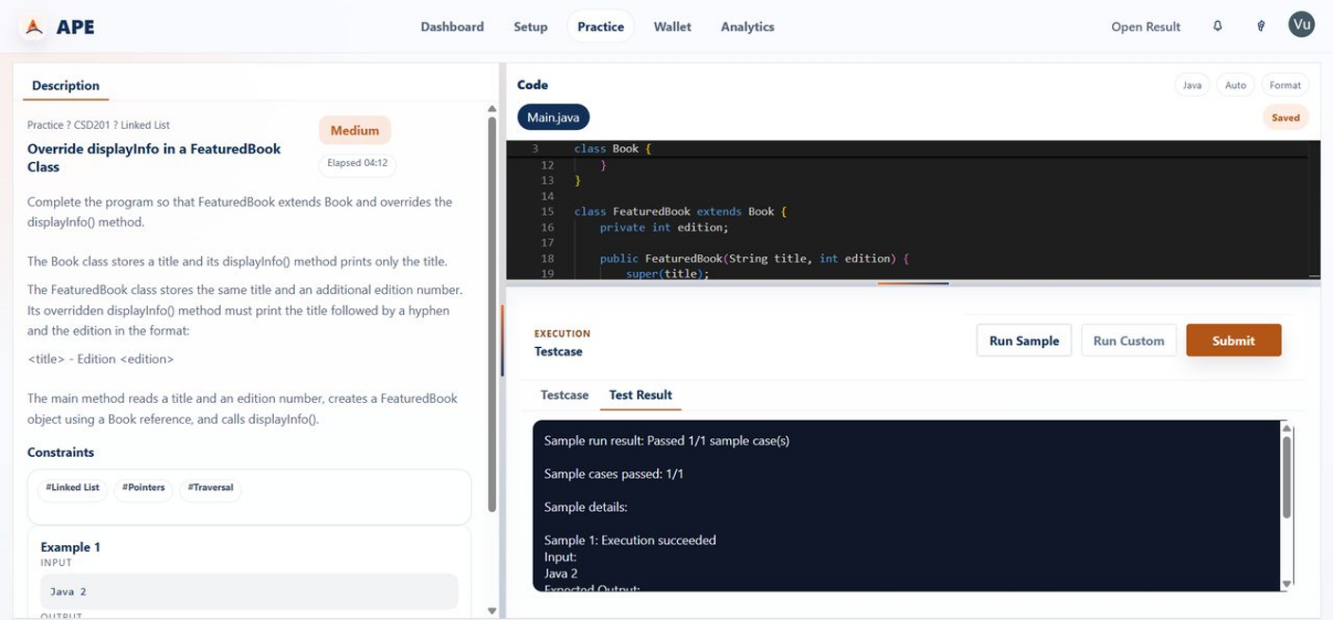
IT_PE_PRACTICE_002 | Verify student can submit a coding solution and receive the final grading result | 1. Open <Active_PE_Session> in the coding workspace. 2. Enter <Submittable_Code_Solution>. 3. Click Final Submit/Submit. 4. Wait until the FE shows grading in progress. 5. Continue waiting until the result viewer reaches a terminal grading state. | Checkpoint: The submission enters a grading/waiting state. Final: The result viewer displays a terminal PE grading result with score/verdict details. | 1. Student is authenticated. 2. <Active_PE_Session> exists. 3. <Submittable_Code_Solution> is prepared. | Passed | 2026-08-21 | SangNV | Passed | 2026-08-21 | SangNV | Passed | 2026-08-21 | SangNV | 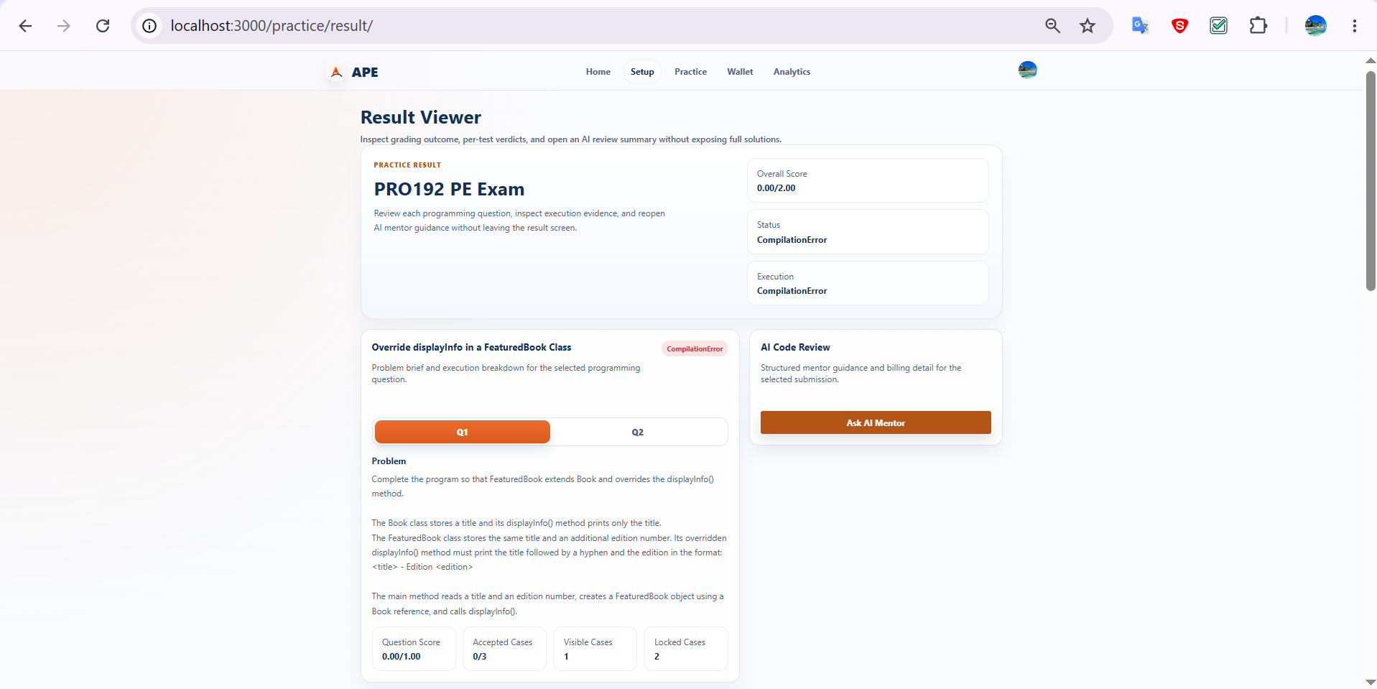
IT_PE_PRACTICE_003 | Verify student can request AI mentor feedback for a graded PE submission | 1. Open <Completed_PE_Submission> in the Result Viewer. 2. Click Ask AI Mentor. 3. Wait for the request to complete. 4. Inspect the returned mentor review panel. | Structured AI mentor feedback is displayed for the graded submission. | 1. Student is authenticated. 2. <Completed_PE_Submission> exists and is visible in the Result Viewer. 3. Required AI/billing conditions are satisfied. | Passed | 2026-08-21 | SangNV | Passed | 2026-08-21 | SangNV | Passed | 2026-08-21 | SangNV | 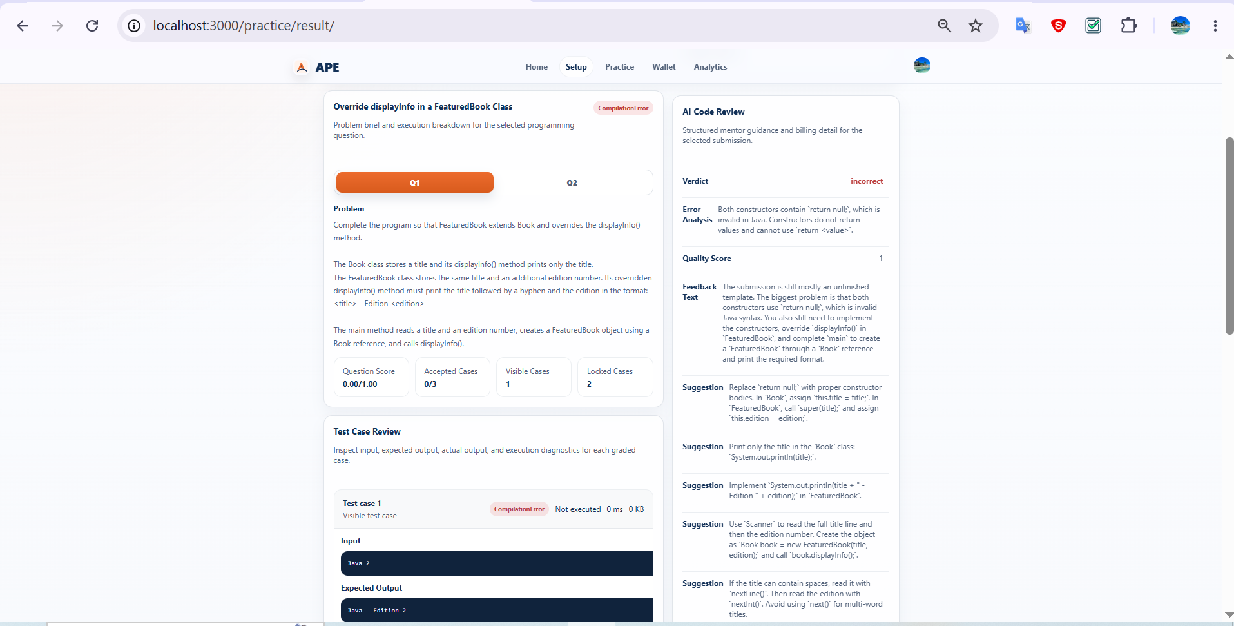
IT_PE_PRACTICE_004 | Verify student can create a new coding attempt after a previous submission | 1. Open Practice History or the exam library. 2. Locate a previously submitted PE item. 3. Click Retry or open the item again to start a fresh attempt. 4. Wait for the coding workspace to open. | A new in-progress coding attempt opens in the coding workspace and is separate from the previous submission result. | 1. Student is authenticated. 2. A previously submitted PE item exists and is available for starting another attempt. | Passed | 2026-08-21 | SangNV | Passed | 2026-08-21 | SangNV | Passed | 2026-08-21 | SangNV | 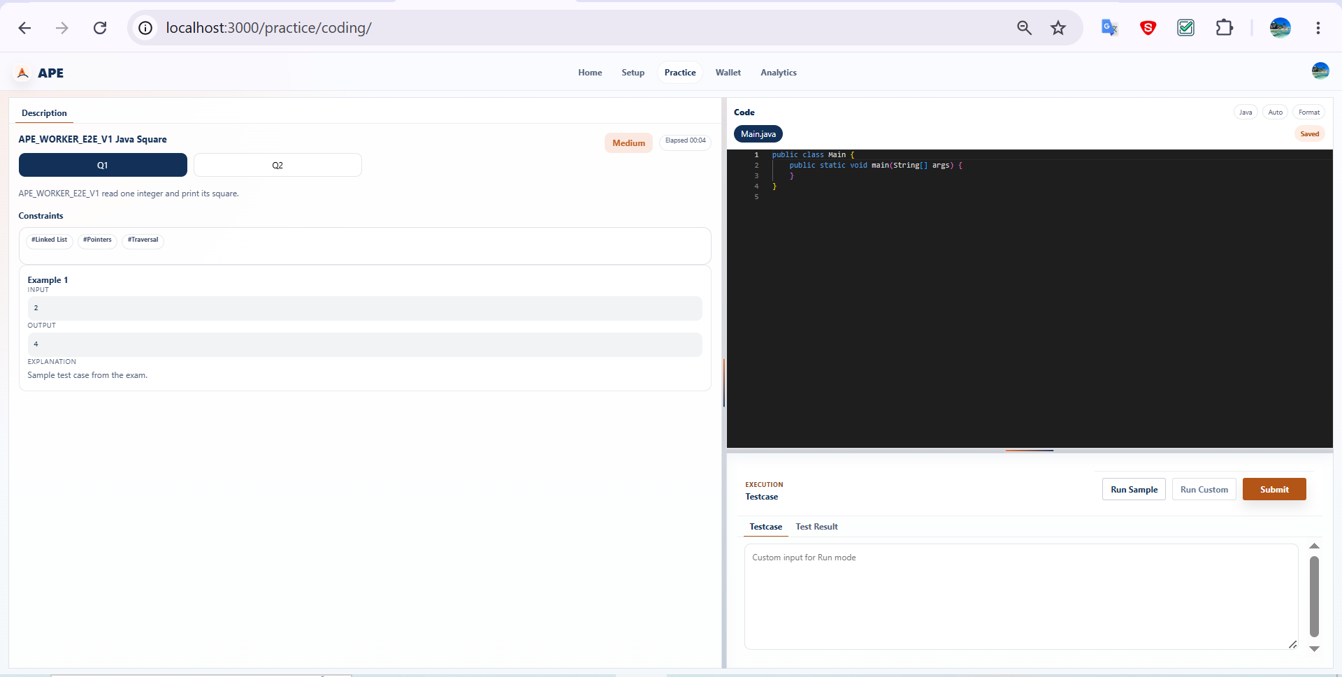
IT_PE_PRACTICE_005 | Verify student can reopen the latest stored AI mentor feedback for a graded PE submission | 1. Open a completed PE submission that already has stored mentor feedback. 2. Wait for the Result Viewer to finish loading. 3. Inspect the mentor review panel. | The latest stored AI mentor feedback is shown in the Result Viewer for the graded PE submission. | 1. Student is authenticated. 2. A completed PE submission with stored mentor feedback exists and is visible in the Result Viewer. | Passed | 2026-08-21 | SangNV | Passed | 2026-08-21 | SangNV | Passed | 2026-08-21 | SangNV | 

Student Wallet
Feature | Student Wallet & Payment
Test requirement | Validates the student top-up lifecycle from payment creation to awaiting-payment state, completed balance refresh, and cancellation of a pending top-up.
Number of TCs | 3
Testing Round | Passed | Failed | Pending | N/A
Round 1 | 3 | 0 | 0 | 0
Round 2 | 3 | 0 | 0 | 0
Round 3 | 3 | 0 | 0 | 0

Test Case ID | Test Case Description | Test Case Procedure | Expected Results | Pre-conditions | Round 1 | Test date | Tester | Round 2 | Test date | Tester | Round 3 | Test date | Tester | Note
Student Wallet & Payment
IT_WALLET_001 | Verify student can create a wallet top-up and see the transaction enter Awaiting payment state | 1. Open Purchase Credits. 2. Select <Active_Wallet_Package>. 3. Confirm/create the top-up. 4. Wait for the checkout and payment-status section to load. | The top-up page shows the created transaction in Awaiting payment state. | 1. Student is authenticated. 2. <Active_Wallet_Package> exists and is purchasable. | Passed | 2026-08-07 | AnhVH | Passed | 2026-08-07 | AnhVH | Passed | 2026-08-07 | AnhVH | 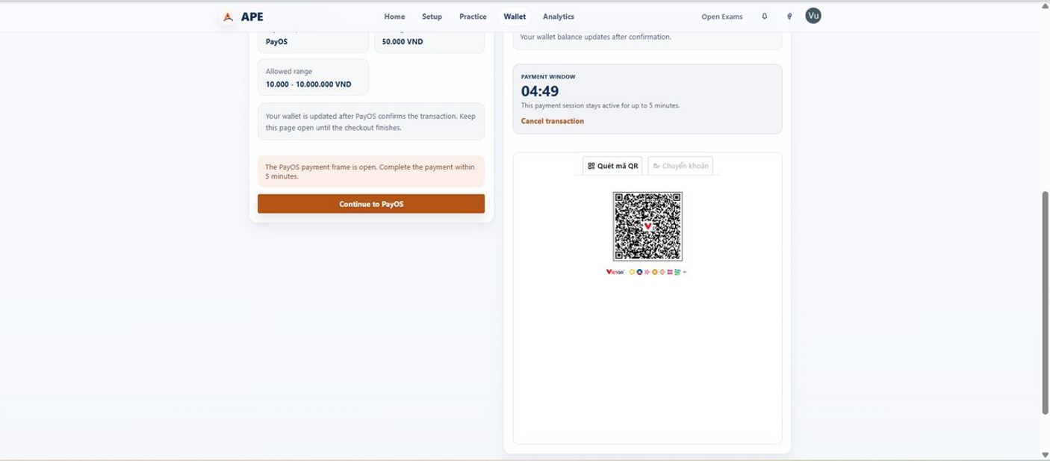
IT_WALLET_002 | Verify student can cancel a pending wallet top-up | 1. Open the pending transaction <Pending_Topup> from the payment/history screen. 2. Trigger the cancel payment action. 3. Wait for the transaction status to refresh. | The FE shows the transaction in Cancelled status. | 1. Student is authenticated. 2. <Pending_Topup> exists with a valid provider reference, Status = Pending, is not expired, and is still cancellable. | Passed | 2026-08-07 | AnhVH | Passed | 2026-08-07 | AnhVH | Passed | 2026-08-07 | AnhVH | 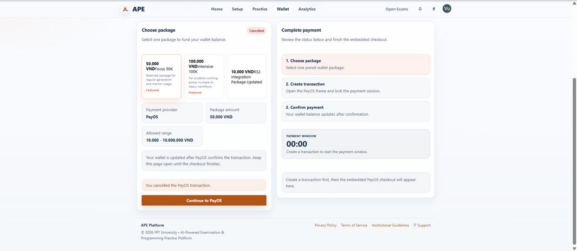
IT_WALLET_003 | Verify student can complete a wallet top-up and see the balance refresh | 1. Open Purchase Credits and create a top-up for <Active_Wallet_Package>. 2. Complete the provider payment flow for the created transaction. 3. Wait for the FE to refresh the transaction status and wallet balance. 4. Inspect the updated balance and transaction state. | The transaction reaches a completed terminal payment state in the FE and the wallet balance is refreshed. | 1. Student is authenticated. 2. <Active_Wallet_Package> exists and is purchasable. 3. A valid provider payment can be completed for the created transaction. | Passed | 2026-08-21 | SangNV | Passed | 2026-08-21 | SangNV | Passed | 2026-08-21 | SangNV | 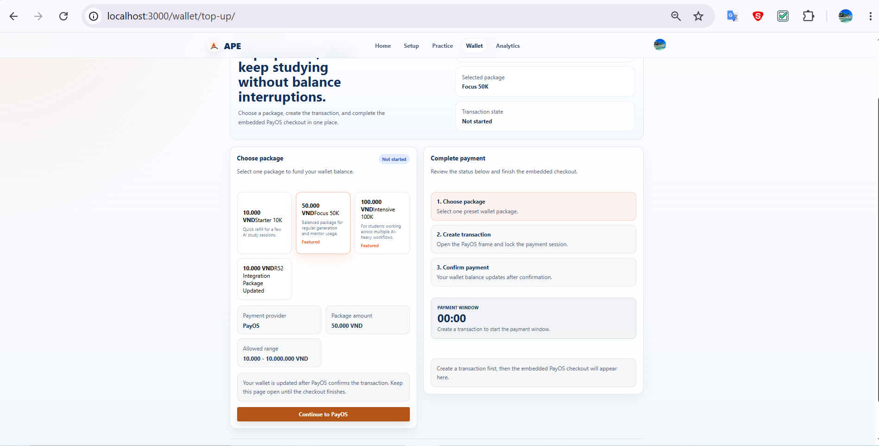

Admin Course
Feature | Admin Course Management
Test requirement | Validates admin course creation, detail updates, and operational active-status changes through the management UI.
Number of TCs | 3
Testing Round | Passed | Failed | Pending | N/A
Round 1 | 3 | 0 | 0 | 0
Round 2 | 3 | 0 | 0 | 0
Round 3 | 3 | 0 | 0 | 0

Test Case ID | Test Case Description | Test Case Procedure | Expected Results | Pre-conditions | Round 1 | Test date | Tester | Round 2 | Test date | Tester | Round 3 | Test date | Tester | Note
Admin Course Management
IT_ADMIN_COURSE_001 | Verify admin can create a new course | 1. Open Course Management. 2. Open the create course form. 3. Enter <CourseCode_Unique> and <CourseName_Unique>. 4. Save the course. 5. Wait for the list to refresh. | The new course appears in the course list with the entered code and name. | 1. Admin is authenticated. 2. <CourseCode_Unique> and <CourseName_Unique> are available. | Passed | 2026-08-07 | AnhVH | Passed | 2026-08-07 | AnhVH | Passed | 2026-08-07 | AnhVH | 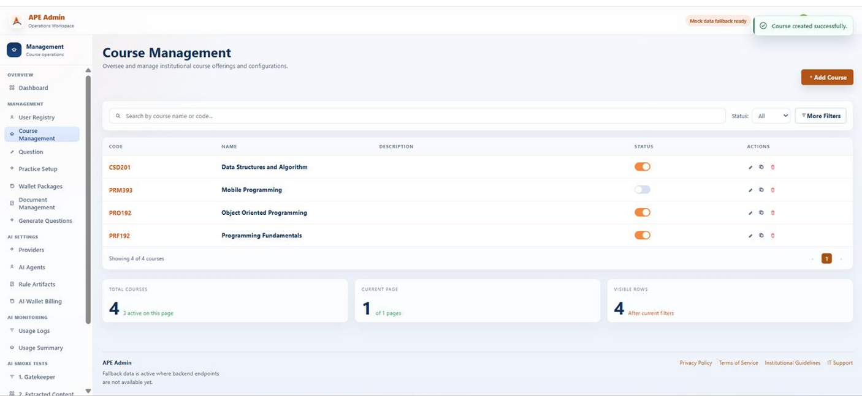
IT_ADMIN_COURSE_002 | Verify admin can update an existing course | 1. Open Course Management. 2. Select <Existing_Course> for edit. 3. Change supported editable details to the prepared test values. 4. Save changes. 5. Wait for the list to refresh. | The course row shows the updated saved details. | 1. Admin is authenticated. 2. <Existing_Course> exists and is editable. 3. <CourseName_Updated_Unique> is prepared. | Passed | 2026-08-07 | AnhVH | Passed | 2026-08-07 | AnhVH | Passed | 2026-08-07 | AnhVH | 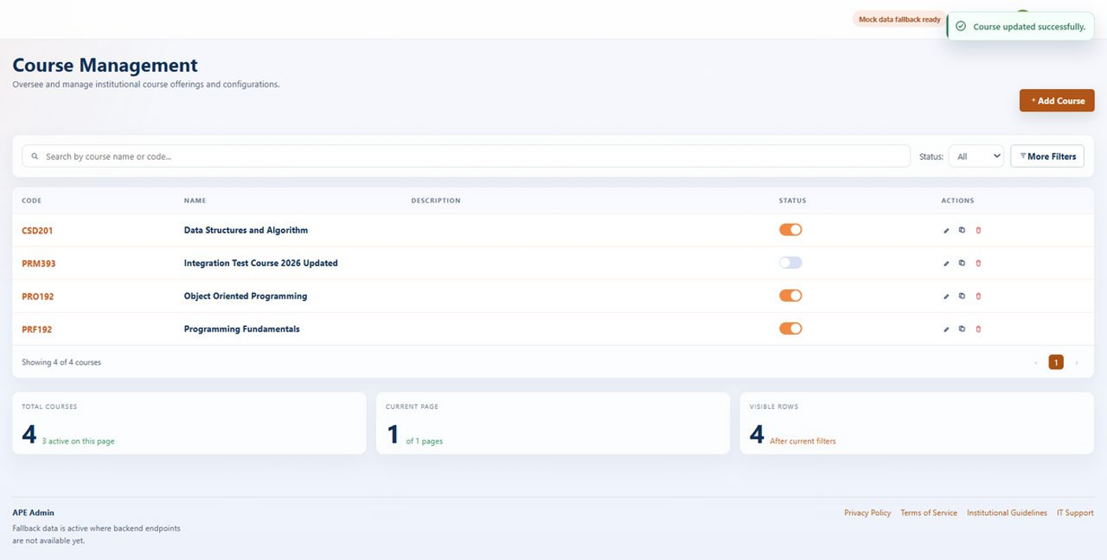
IT_ADMIN_COURSE_003 | Verify admin can change a course active status | 1. Open Course Management. 2. Locate <Existing_Course_Status_Target>. 3. Toggle the active-status control. 4. Wait for the list to refresh. | The course row displays the changed active/inactive status. | 1. Admin is authenticated. 2. <Existing_Course_Status_Target> exists in a known current status. | Passed | 2026-08-07 | AnhVH | Passed | 2026-08-07 | AnhVH | Passed | 2026-08-07 | AnhVH | 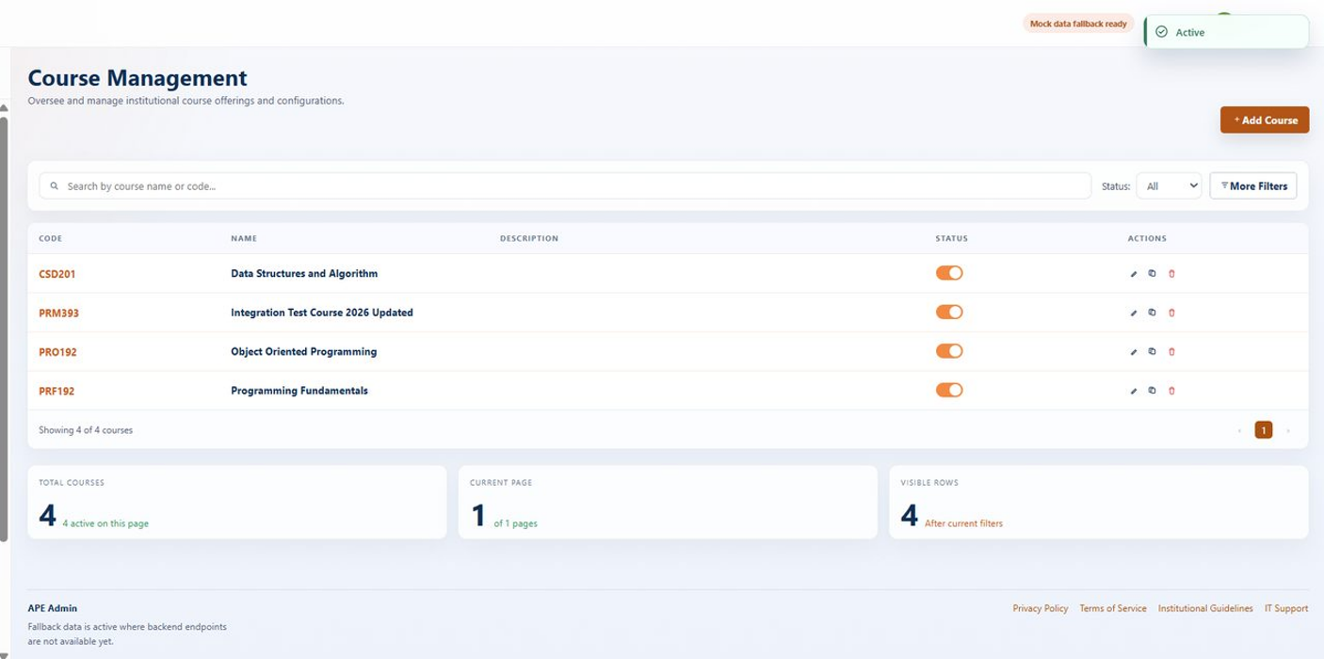

Admin Questions
Feature | Admin Question Management
Test requirement | Validates admin question import, editing, and disable/status management through the implemented question-management UI.
Number of TCs | 3
Testing Round | Passed | Failed | Pending | N/A
Round 1 | 3 | 0 | 0 | 0
Round 2 | 3 | 0 | 0 | 0
Round 3 | 3 | 0 | 0 | 0

Test Case ID | Test Case Description | Test Case Procedure | Expected Results | Pre-conditions | Round 1 | Test date | Tester | Round 2 | Test date | Tester | Round 3 | Test date | Tester | Note
Admin Question Management
IT_ADMIN_QUESTION_001 | Verify admin can import questions from an Excel file | 1. Open Admin Question Management. 2. Open the import section. 3. Choose <Valid_Question_Import_XLSX>. 4. Start the import. 5. Wait for import feedback and the refreshed question list. | Imported questions are visible in Admin Question Management and can be located by the expected unique keyword or title pattern. | 1. Admin is authenticated. 2. <Valid_Question_Import_XLSX> is a valid controlled import workbook. 3. <QuestionKeyword_Unique> identifies the imported data. | Passed | 2026-08-07 | AnhVH | Passed | 2026-08-07 | AnhVH | Passed | 2026-08-07 | AnhVH | 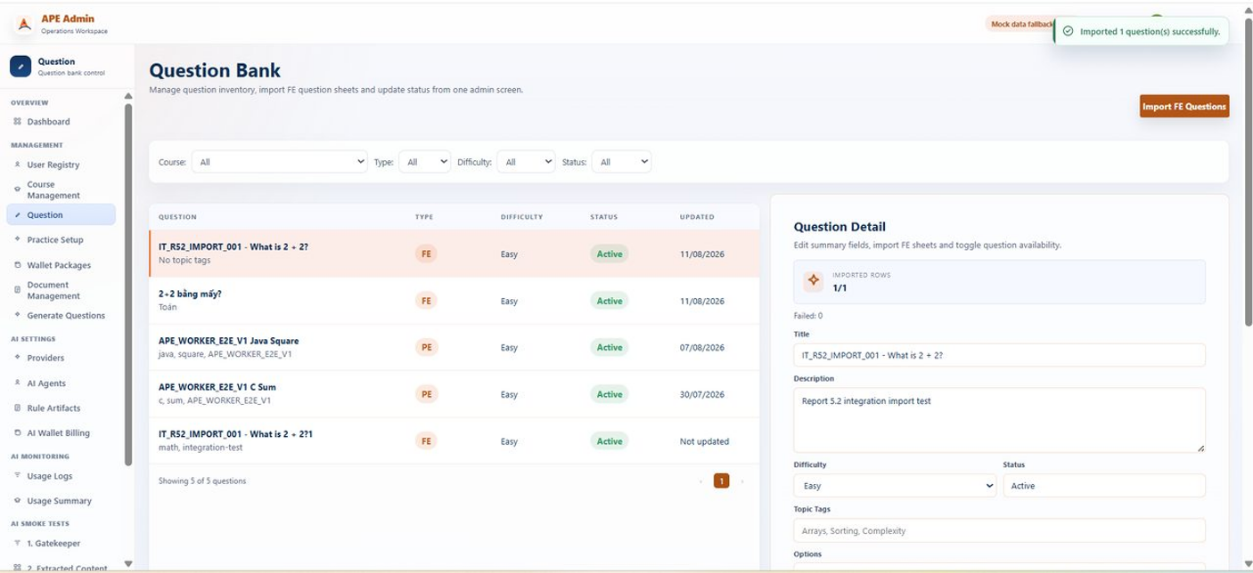
IT_ADMIN_QUESTION_002 | Verify admin can edit an existing question | 1. Open Admin Question Management. 2. Select <Existing_Question>. 3. Edit supported question fields. 4. Save changes. 5. Wait for the detail/list to refresh. | The question detail and visible list state reflect the updated saved values. | 1. Admin is authenticated. 2. <Existing_Question> exists and is editable. 3. Updated question values are prepared. | Passed | 2026-08-07 | AnhVH | Passed | 2026-08-07 | AnhVH | Passed | 2026-08-07 | AnhVH | 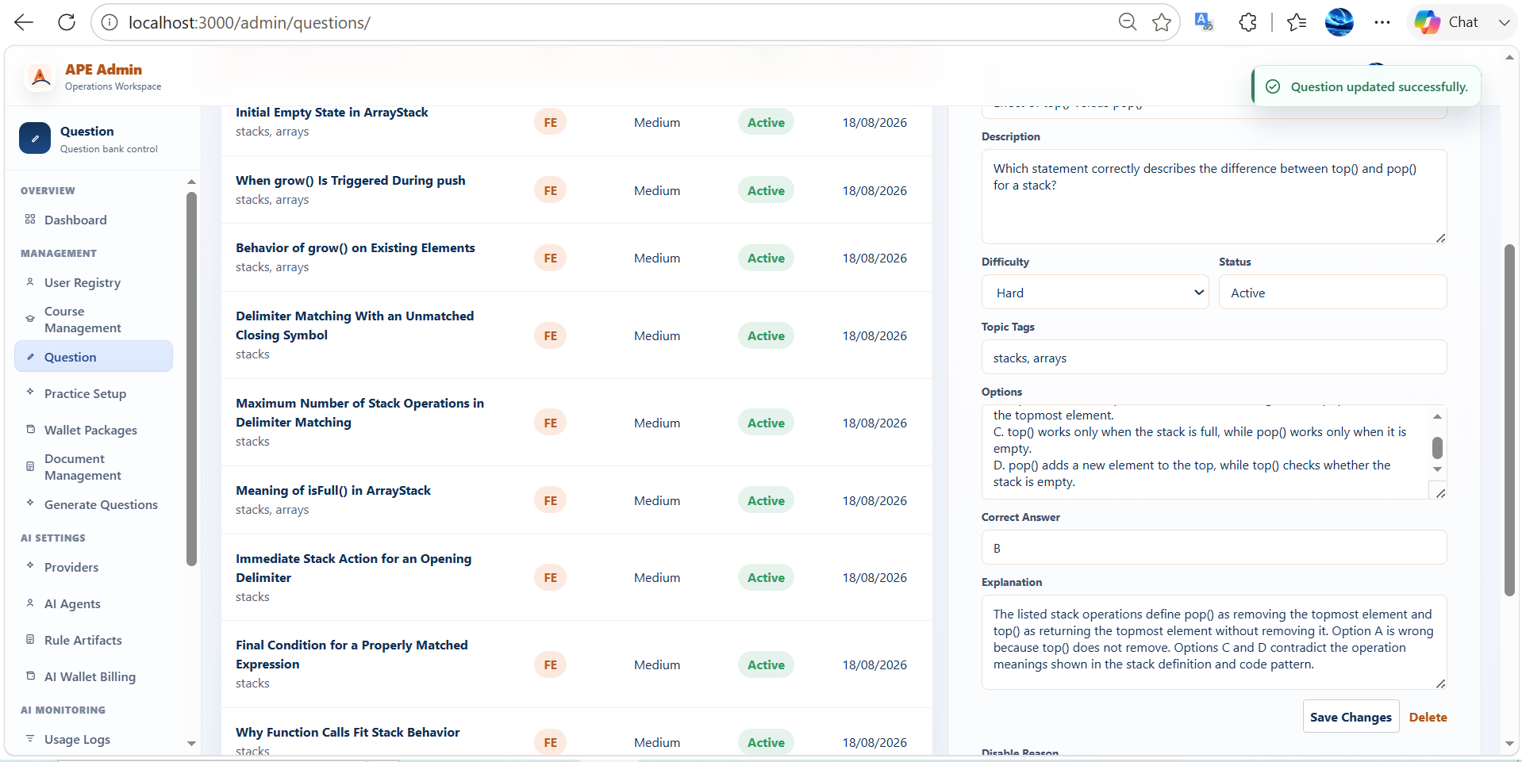
IT_ADMIN_QUESTION_003 | Verify admin can disable an existing question | 1. Open Admin Question Management. 2. Select <Active_Question_Disable_Target>. 3. Enter <DisableReason_Text>. 4. Click Disable. 5. Wait for the list/detail to refresh. | The target question is shown as Disabled in the FE. | 1. Admin is authenticated. 2. <Active_Question_Disable_Target> exists in Active state. 3. <DisableReason_Text> is prepared. | Passed | 2026-08-07 | AnhVH | Passed | 2026-08-07 | AnhVH | Passed | 2026-08-07 | AnhVH | 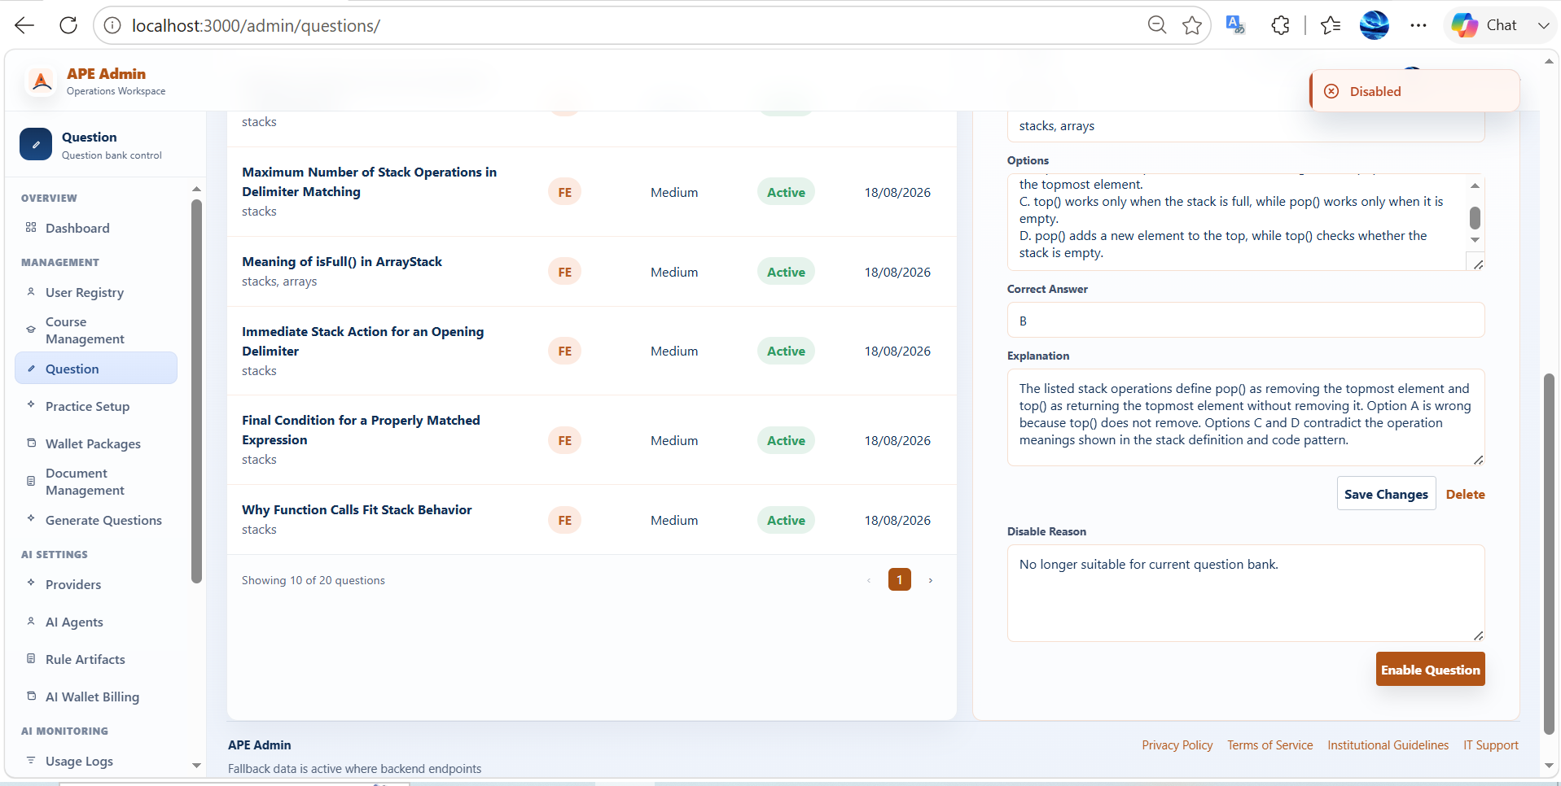

Admin Documents
Feature | Admin System Document Management
Test requirement | Validates admin system-document upload through the real ingestion path and deterministic deletion from the admin document library.
Number of TCs | 2
Testing Round | Passed | Failed | Pending | N/A
Round 1 | 2 | 0 | 0 | 0
Round 2 | 2 | 0 | 0 | 0
Round 3 | 2 | 0 | 0 | 0

Test Case ID | Test Case Description | Test Case Procedure | Expected Results | Pre-conditions | Round 1 | Test date | Tester | Round 2 | Test date | Tester | Round 3 | Test date | Tester | Note
Admin System Document Management
IT_ADMIN_DOCUMENT_001 | Verify admin can upload a system document and see the exact file reach Ready state | 1. Open Admin Document Management. 2. Click Upload System Document. 3. Select <Existing_Course>. 4. Choose <SystemDocument_Unique>. 5. Start upload. 6. Wait until the exact uploaded filename is visible and reaches Ready state. | The exact uploaded filename is visible in Admin Document Management with status Ready. | 1. Admin is authenticated. 2. <Existing_Course> exists for document assignment. 3. <SystemDocument_Unique> is a valid supported upload file. | Passed | 2026-08-07 | AnhVH | Passed | 2026-08-07 | AnhVH | Passed | 2026-08-07 | AnhVH | 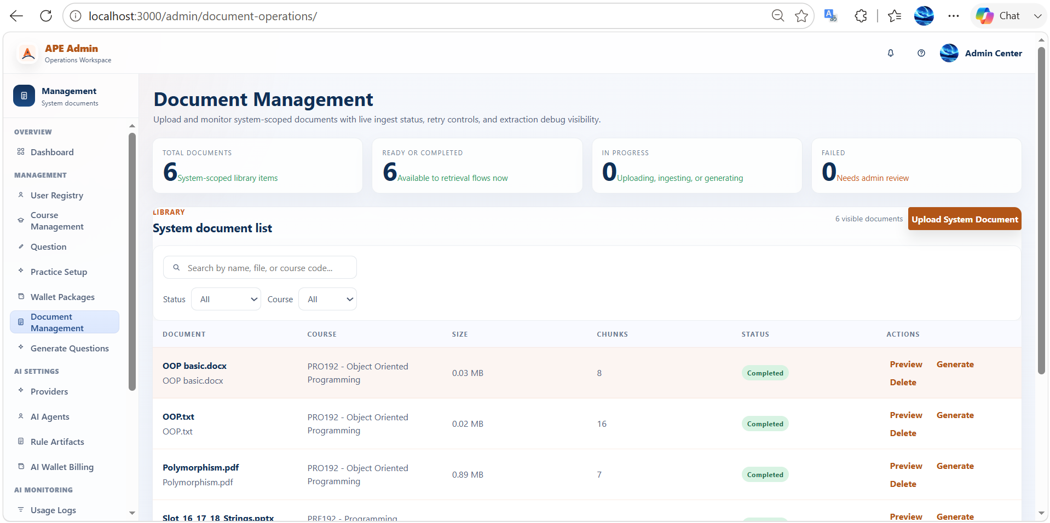
IT_ADMIN_DOCUMENT_002 | Verify admin can delete a system document | 1. Open Admin Document Management. 2. Locate <SystemDocument_Delete_Target>. 3. Trigger Delete. 4. Confirm the action when prompted. 5. Wait for the library to refresh. | <SystemDocument_Delete_Target> is no longer visible in the admin document library. | 1. Admin is authenticated. 2. <SystemDocument_Delete_Target> exists and is deletable | Passed | 2026-08-07 | AnhVH | Passed | 2026-08-07 | AnhVH | Passed | 2026-08-07 | AnhVH | 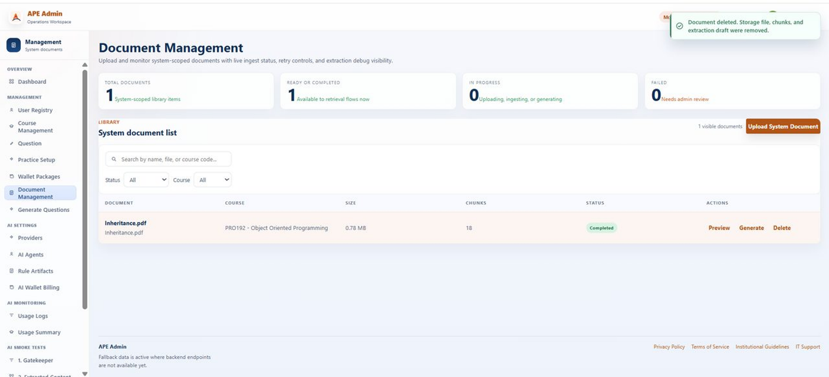

Admin QGen
Feature | Admin Question Generation from System Documents
Test requirement | Validates the admin end-to-end generation, review, and confirmation lifecycle from a real system-document scope.
Number of TCs | 2
Testing Round | Passed | Failed | Pending | N/A
Round 1 | 2 | 0 | 0 | 0
Round 2 | 2 | 0 | 0 | 0
Round 3 | 2 | 0 | 0 | 0

Test Case ID | Test Case Description | Test Case Procedure | Expected Results | Pre-conditions | Round 1 | Test date | Tester | Round 2 | Test date | Tester | Round 3 | Test date | Tester | Note
Admin Question Generation from System Documents
IT_ADMIN_QGEN_001 | Verify admin can generate questions from a system document and confirm the remaining drafts | 1. Open Admin Generate Questions. 2. Select <SystemDocument_Generation_Target>. 3. Select the first available chapter only. 4. Select the first available topic only. 5. Keep Question Type = FE. 6. Keep Difficulty Profile = Medium x1. 7. Click Generate and wait for the draft review panel. 8. Click Confirm Remaining Questions. | Remaining generated drafts are confirmed and the FE shows the confirmed final state for the generated questions. | 1. Admin is authenticated. 2. <SystemDocument_Generation_Target> is a real visible system document eligible for generation and has at least one chapter and topic. | Passed | 2026-08-07 | AnhVH | Passed | 2026-08-07 | AnhVH | Passed | 2026-08-07 | AnhVH | 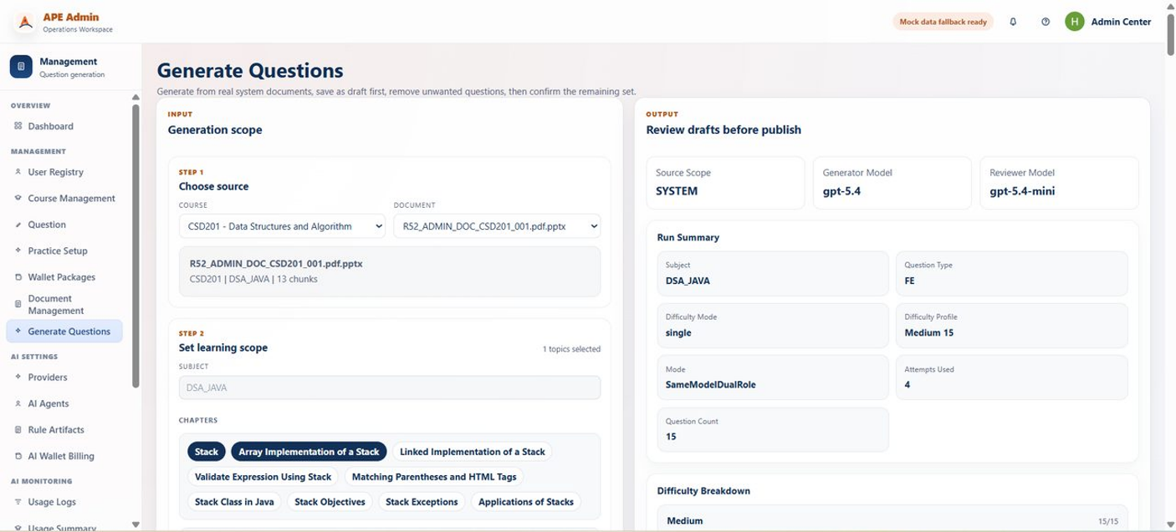
IT_ADMIN_QGEN_002 | Verify admin can generate questions from a system document and confirm the remaining drafts | 1. Open Admin Generate Questions. 2. Select <SystemDocument_Generation_Target>. 3. Select the first available chapter only. 4. Select the first available topic only. 5. Keep Question Type = PE. 6. Keep Difficulty Profile = Medium x1. 7. Click Generate and wait for the draft review panel. 8. Click Confirm Remaining Questions. | Remaining generated drafts are confirmed and the PE shows the confirmed final state for the generated questions. | 1. Admin is authenticated. 2. <SystemDocument_Generation_Target> is a real visible system document eligible for generation and has at least one chapter and topic. | Passed | 2026-08-21 | SangNV | Passed | 2026-08-21 | SangNV | Passed | 2026-08-21 | SangNV | 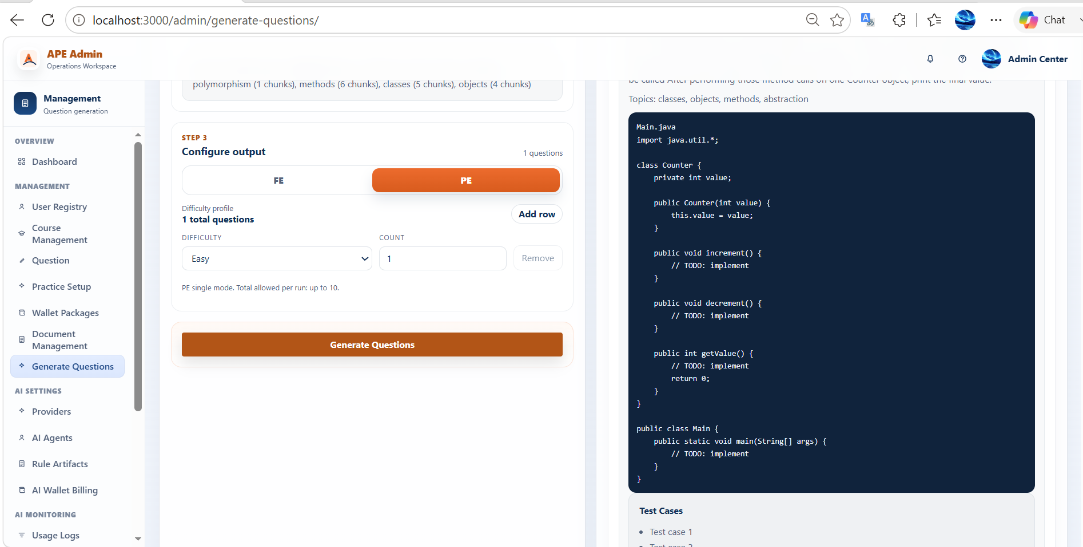

Admin Practice
Feature | Admin Practice Setup
Test requirement | Validates creation of a reusable public FE Practice preset through the admin practice-setup workflow.
Number of TCs | 2
Testing Round | Passed | Failed | Pending | N/A
Round 1 | 2 | 0 | 0 | 0
Round 2 | 2 | 0 | 0 | 0
Round 3 | 2 | 0 | 0 | 0

Test Case ID | Test Case Description | Test Case Procedure | Expected Results | Pre-conditions | Round 1 | Test date | Tester | Round 2 | Test date | Tester | Round 3 | Test date | Tester | Note
Admin Practice Setup
IT_ADMIN_PRACTICE_001 | Verify admin can save a public FE Practice preset | 1. Open Admin Practice Setup. 2. Select <Course_With_Eligible_FE_Pool>. 3. Keep Exam Type = FE. 4. Keep Mode = Practice. 5. Set difficulty counts to Easy = 1, Medium = 0, Hard = 0. 6. Enter <PracticeSetup_Title_Unique>. 7. Save the preset. 8. Wait for the setup list/detail to refresh. | The saved public FE Practice preset is visible in the setup list. | 1. Admin is authenticated. 2. <Course_With_Eligible_FE_Pool> exists and contains at least one Easy FE question. 3. <PracticeSetup_Title_Unique> is available. | Passed | 2026-08-07 | AnhVH | Passed | 2026-08-07 | AnhVH | Passed | 2026-08-07 | AnhVH | 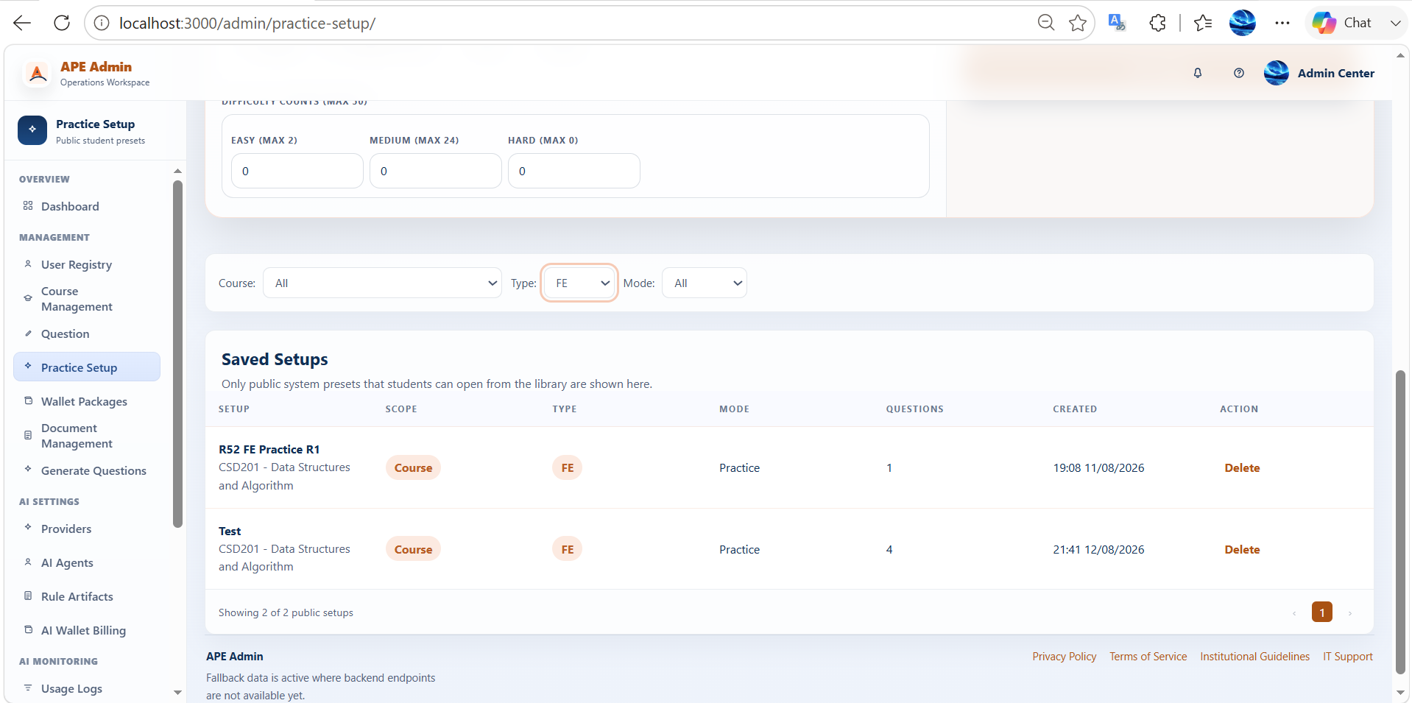
IT_ADMIN_PRACTICE_002 | Verify admin can save a public PE Practice preset | 1. Open Admin Practice Setup. 2. Select <Course_With_Eligible_PE_Pool>. 3. Keep Exam Type = PE. 4. Keep Mode = Practice. 5. Optionally apply PE difficulty filters. 6. Select one PE question from the available pool. 7. Enter <PracticeSetup_Title_Unique>. 8. Save the preset. 9. Wait for the setup list/detail to refresh. | The saved public PE Practice preset is visible in the setup list. | 1. Admin is authenticated. 2. <Course_With_Eligible_PE_Pool> exists and contains at least one selectable PE question. 3. <PracticeSetup_Title_Unique> is available. | Passed | 2026-08-21 | SangNV | Passed | 2026-08-21 | SangNV | Passed | 2026-08-21 | SangNV | 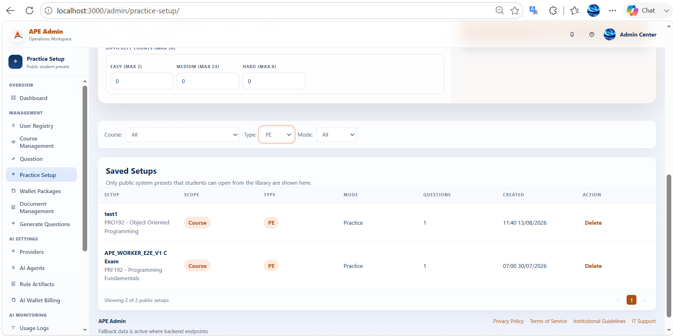

Admin Users
Feature | Admin User Management
Test requirement | Validates admin moderation by changing an active non-admin user to Banned state and reflecting that state in the FE.
Number of TCs | 1
Testing Round | Passed | Failed | Pending | N/A
Round 1 | 1 | 0 | 0 | 0
Round 2 | 1 | 0 | 0 | 0
Round 3 | 1 | 0 | 0 | 0

Test Case ID | Test Case Description | Test Case Procedure | Expected Results | Pre-conditions | Round 1 | Test date | Tester | Round 2 | Test date | Tester | Round 3 | Test date | Tester | Note
Admin User Management
IT_ADMIN_USER_001 | Verify admin can ban an active user | 1. Open Admin Users. 2. Locate <User_Active_Ban_Target>. 3. Trigger the status change to ban the user. 4. Wait for the list to refresh. 5. Re-open user detail if necessary to verify the final state. | The target user is shown with Banned status in the FE. | 1. Admin is authenticated. 2. <User_Active_Ban_Target> exists, is a Student account, and is currently Active. | Passed | 2026-08-07 | AnhVH | Passed | 2026-08-07 | AnhVH | Passed | 2026-08-07 | AnhVH | 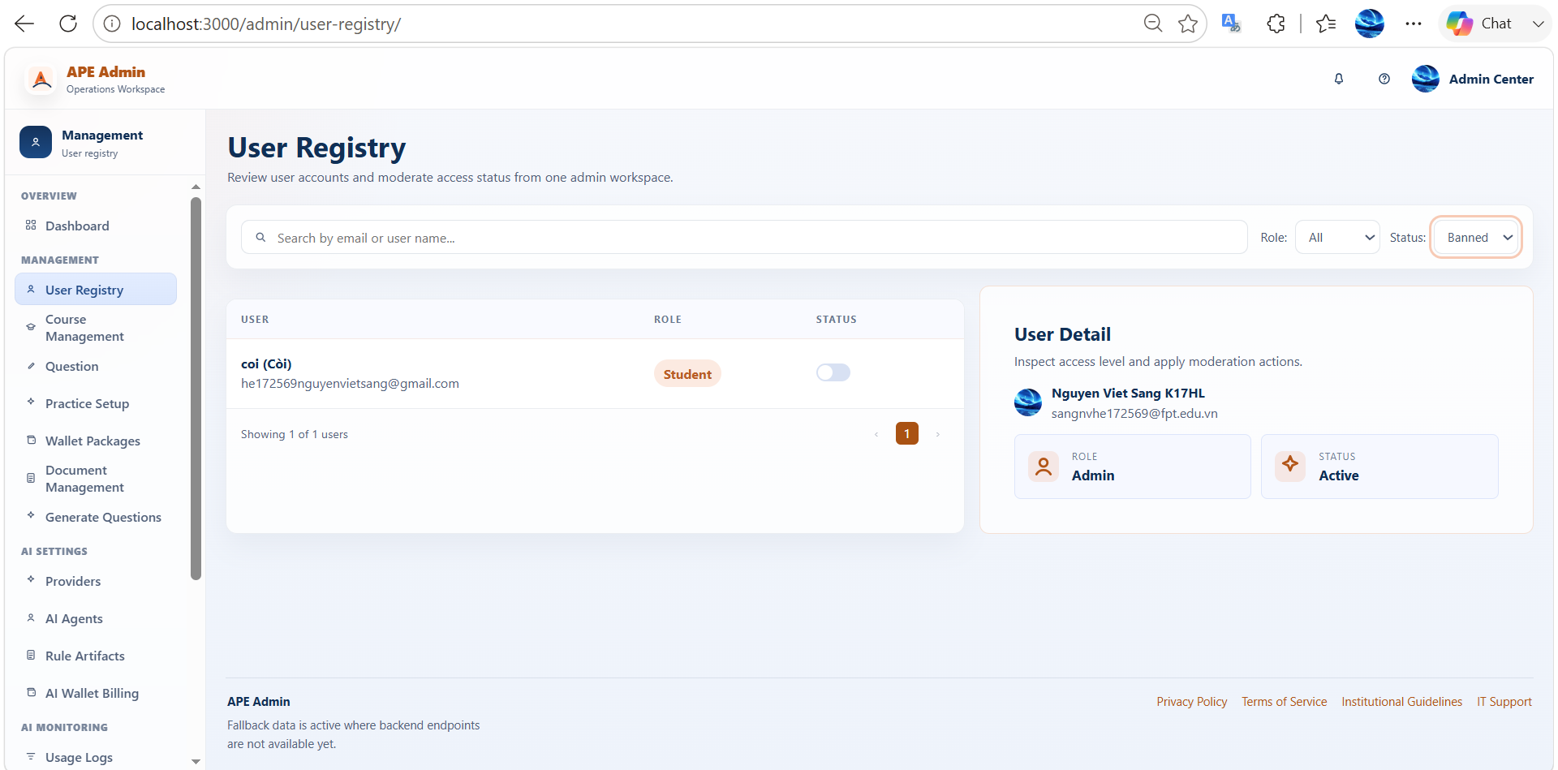

Admin Wallet Pkg
Feature | Admin Wallet Package Management
Test requirement | Validates wallet-package maintenance by creating or updating a package and controlling package availability through active-status changes.
Number of TCs | 2
Testing Round | Passed | Failed | Pending | N/A
Round 1 | 2 | 0 | 0 | 0
Round 2 | 2 | 0 | 0 | 0
Round 3 | 2 | 0 | 0 | 0

Test Case ID | Test Case Description | Test Case Procedure | Expected Results | Pre-conditions | Round 1 | Test date | Tester | Round 2 | Test date | Tester | Round 3 | Test date | Tester | Note
Admin Wallet Package Management
IT_ADMIN_WALLET_PKG_001 | Verify admin can create a wallet package and update its details | 1. Open Admin Wallet Packages. 2. Create a package using <PackageCode_Unique> and <PackageName_Unique>. 3. Save the package. 4. Edit the same package and change the supported details to <PackageName_Updated_Unique>. 5. Save again. | The package remains visible with its final edited details in the FE. | 1. Admin is authenticated. 2. <PackageCode_Unique>, <PackageName_Unique>, and <PackageName_Updated_Unique> are available. | Passed | 2026-08-07 | AnhVH | Passed | 2026-08-07 | AnhVH | Passed | 2026-08-07 | AnhVH | 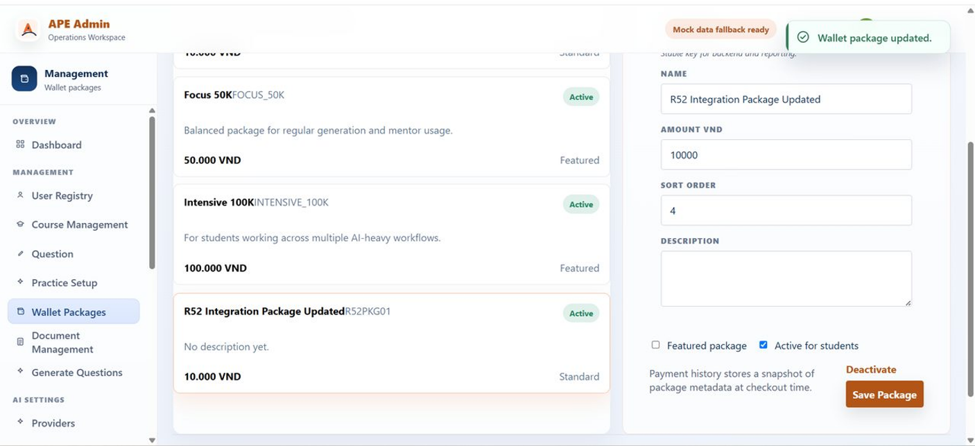
IT_ADMIN_WALLET_PKG_002 | Verify admin can change a wallet package active status | 1. Open Admin Wallet Packages. 2. Locate <Wallet_Package_Status_Target>. 3. Toggle its active status. 4. Wait for the package list/detail to refresh. | The target package shows the updated active/inactive state in the FE. | 1. Admin is authenticated. 2. <Wallet_Package_Status_Target> exists in a known current state. | Passed | 2026-08-07 | AnhVH | Passed | 2026-08-07 | AnhVH | Passed | 2026-08-07 | AnhVH | 